3.2
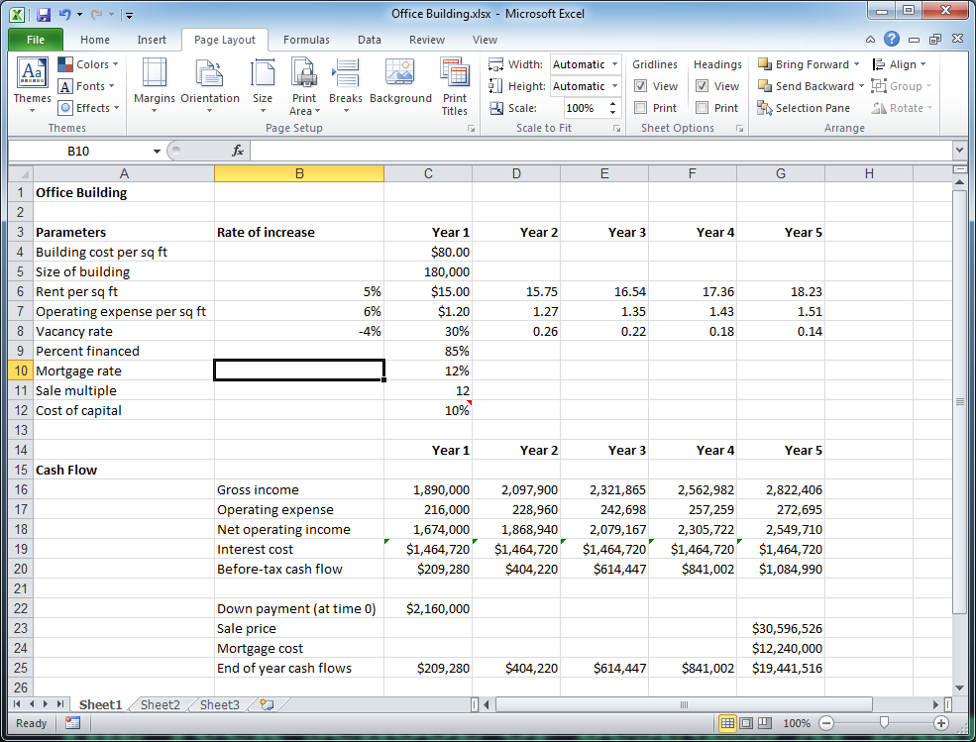

Quick Access Toolbar
Tabs

Name Box
Formula Bar
Groups

Ribbon

Cell Cursor

Fill Handle

Tab Scrolling Buttons
Scroll Bars

Sheet Tabs
Message Area

3.15
Year | Advertising | Sales
1995 | 56 | 600
1996 | 56 | 630
1997 | 59 | 662
1998 | 60 | 695
1999 | 61 | 729
2000 | 61 | 766
2001 | 63 | 804
2002 | 65 | 844
2003 | 69 | 886
2004 | 68 | 931
2005 | 67 | 977

3.16
Year | Advertising | Sales
1995 | 56 | 600
1996 | 56 | 630
1997 | 59 | 662
1998 | 60 | 695
1999 | 61 | 729
2000 | 61 | 766
2001 | 63 | 804
2002 | 65 | 844
2003 | 69 | 886
2004 | 68 | 931
2005 | 67 | 977

3.17
Year | Advertising | Sales
1995 | 56 | 600
1996 | 56 | 630
1997 | 59 | 662
Advertising and Sales 1995-2005
1998 | 60 | 695
1999 | 61 | 729
2000 | 61 | 766
2001 | 63 | 804
2002 | 65 | 844
2003 | 69 | 886
2004 | 68 | 931
2005 | 67 | 977

3.18
Year | Advertising | Sales
1995 | 56 | 600
1996 | 56 | 630
1997 | 59 | 662
1998 | 60 | 695
1999 | 61 | 729
2000 | 61 | 766
2001 | 63 | 804
2002 | 65 | 844
2003 | 69 | 886
2004 | 68 | 931
2005 | 67 | 977

3.19
Year | Advertising | Sales
1995 | 56 | 600
1996 | 56 | 630
1997 | 59 | 662
1998 | 60 | 695
1999 | 61 | 729
Sales vs. Advertising
2000 | 61 | 766
2001 | 63 | 804
2002 | 65 | 844
2003 | 69 | 886
2004 | 68 | 931
2005 | 67 | 977

